Test case template
Център за обучение по софтуерно тестване Website: http://skillo-bg.com

Bug ID | PSB001
Name | different language in frontpage
Priority | 1
Severity | S3
Description | different language used in frontpage
Steps to reproduce | 1. go to mystore
 | 2. In the middle of the homepage different language is used /see attachment/
Attachment | 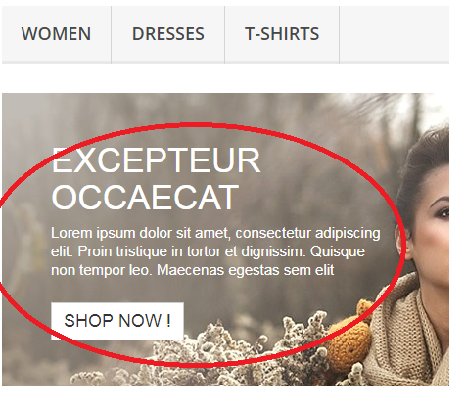
Expected result | The whole text should be in english
Status | opened
Component | shopping
Version/Build number (Found in)
Environment
Comments
Date Created | 31.10.2018
Author | Bozhana
Audit Log

